Landing page
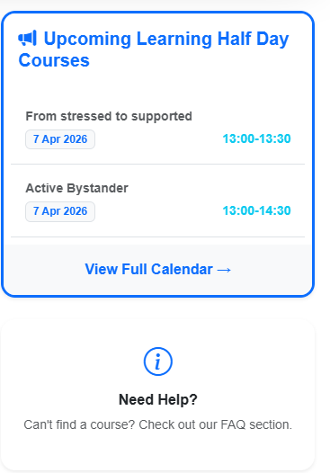
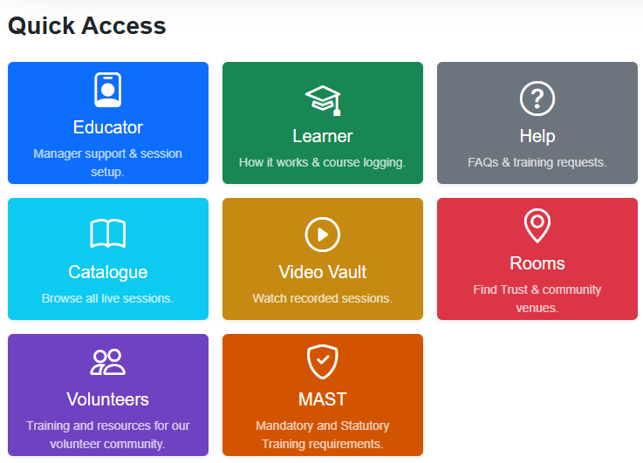
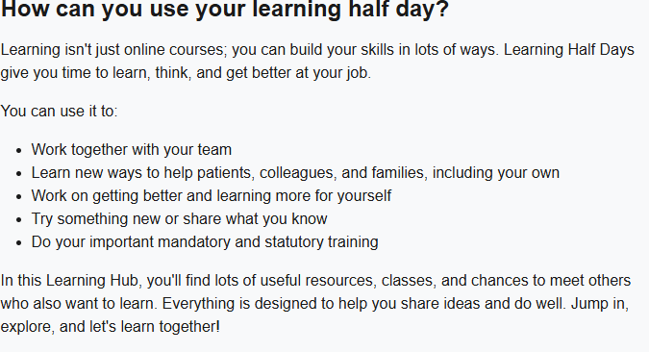
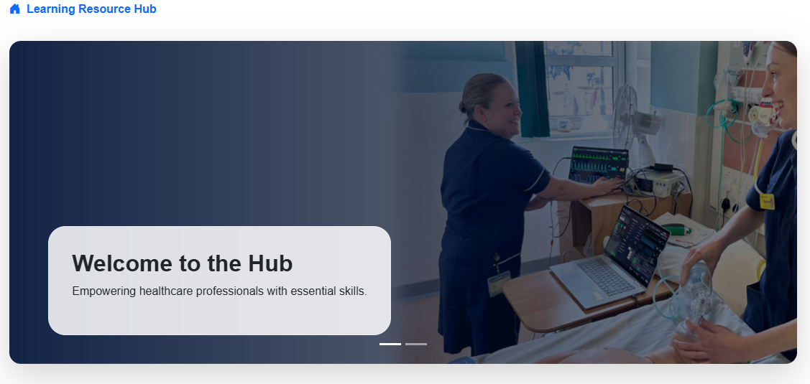

Notes:
1. The carosel ribbon of photos to have this one as the first one and then a few more after it including the learning matters newsletter one
2. As per our conversation ive rearranged the wording so can things appear as it is here
3. Underneath 'need help' can there be something that highlights about feedback
4. Can we have an 8th tile for Feedback as discussed
5. Tiles to be in the following order:
Educator Learner Feedback
Catalogue Video Vault Informal Training
MAST Rooms and Help & FAQ
Volunteers to not have a tile here as they are to be given the link to the volunteer landing page
6. Can the QI contest mentioned in the informal training tile be hihlighted first on the upcoming learning half day courses list - to really stand out - deadline is September

Educator tile
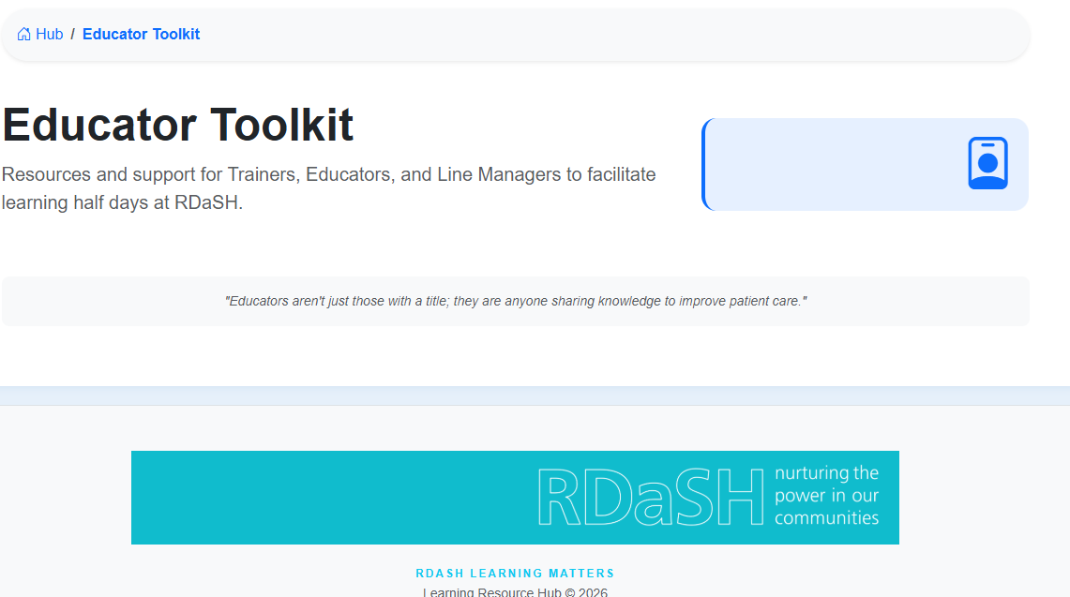

Notes: 1. to reduce the size of the graphic - to be applied to all tiles:

2. To add a blue button that matches the style of the learners tile:

the button to be blue with white writing and say how to provide a training session
3. to use the attached 'create an booking example and form information here - maybe the example and form could be side by side like in the learners tile and then the form could be something colleagues can click on and complete and email to Lewis?

Learner tile
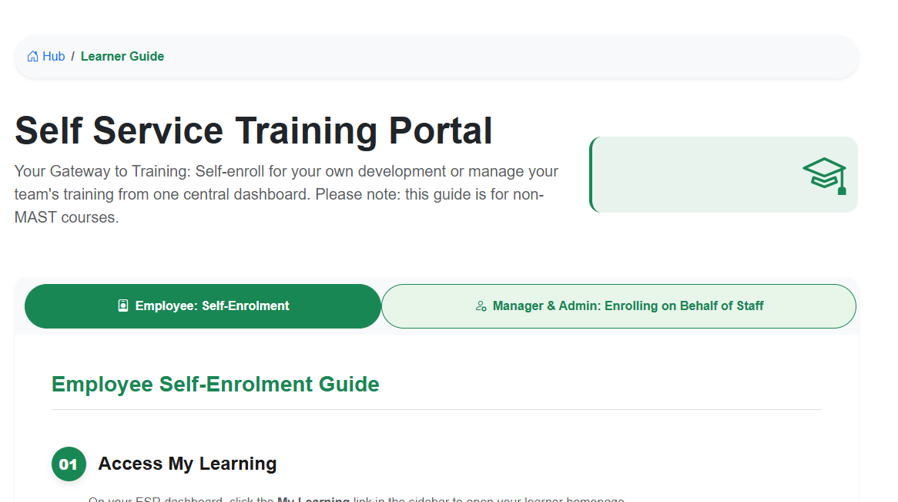

 | Notes: 1. tile to remain as is - just the icon to be made smaller

etc

Course Catalogue tile
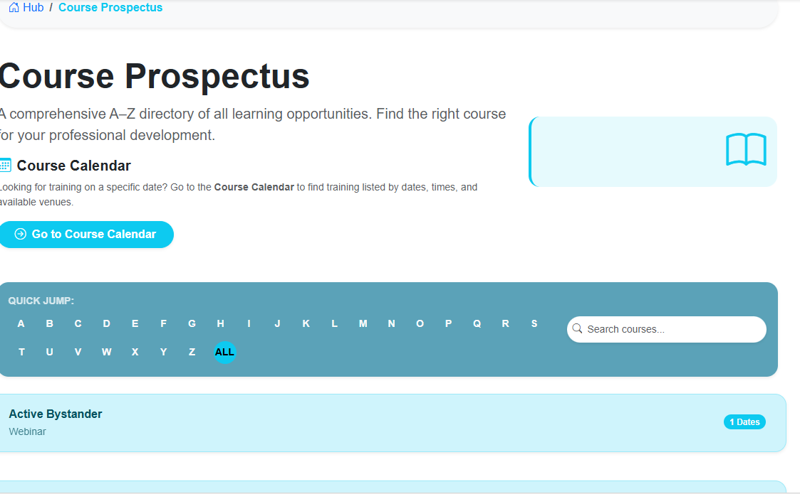

 | Notes:
 | 1. to have the course catalogue on the front page and the calendar less prominent
 | 2. to reduce the size of the icon
 | 3. to have the new list shown in the 'course prospectus ' tab in this spreadsheet - there were duplicate courses that we'd sent you so this is a revised list that should have all courses including ones that will show in the video vault and informal training tiles (i've removed the too corporate ones as well). This new list also includes target audience

etc

video vault tile
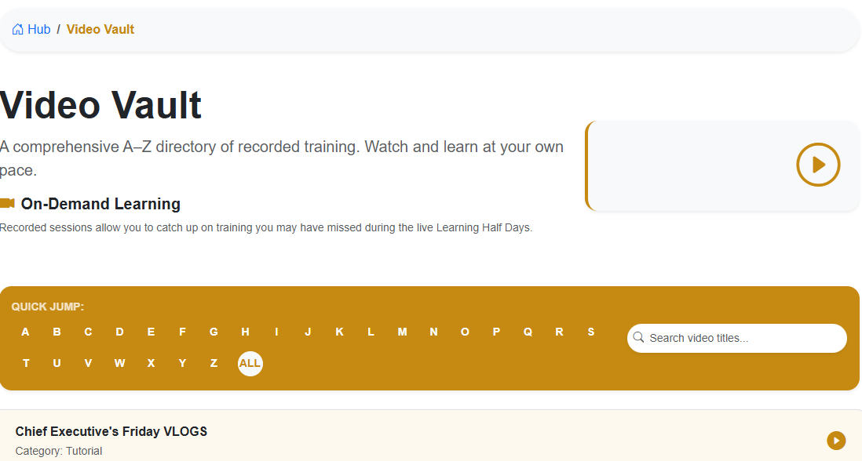

 | Notes: 1. to use the new updated video vault list listed on the 'video vault' tab in this spreadsheet

etc

Rooms tile
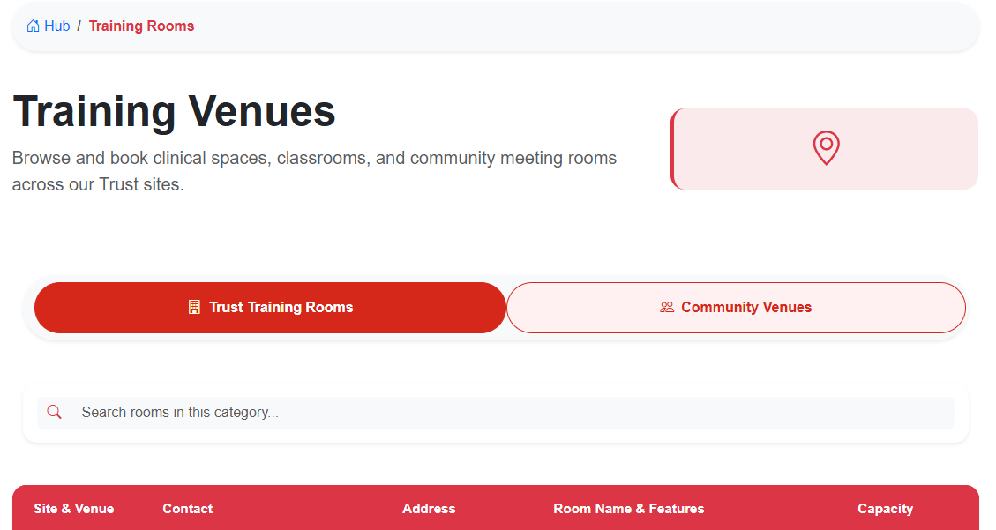

Notes: 1. to ensure North Lincs and Rotherham are prominent 2. to use the updated list shown in the 'rooms lists' tab in this spreadsheet or the attachment on email
3. The current view is great and matches the learner tile - can you have a play and see which format and visual works best to hit Toby's brief - maybe smaller buttons underneath for each location??
4. I've attached the list in a word document on the email in case that's easier for you
5. for the community venues attachment on email - they were all external - for the button - can the same format be followed for the trust training rooms info

Volunteers tile
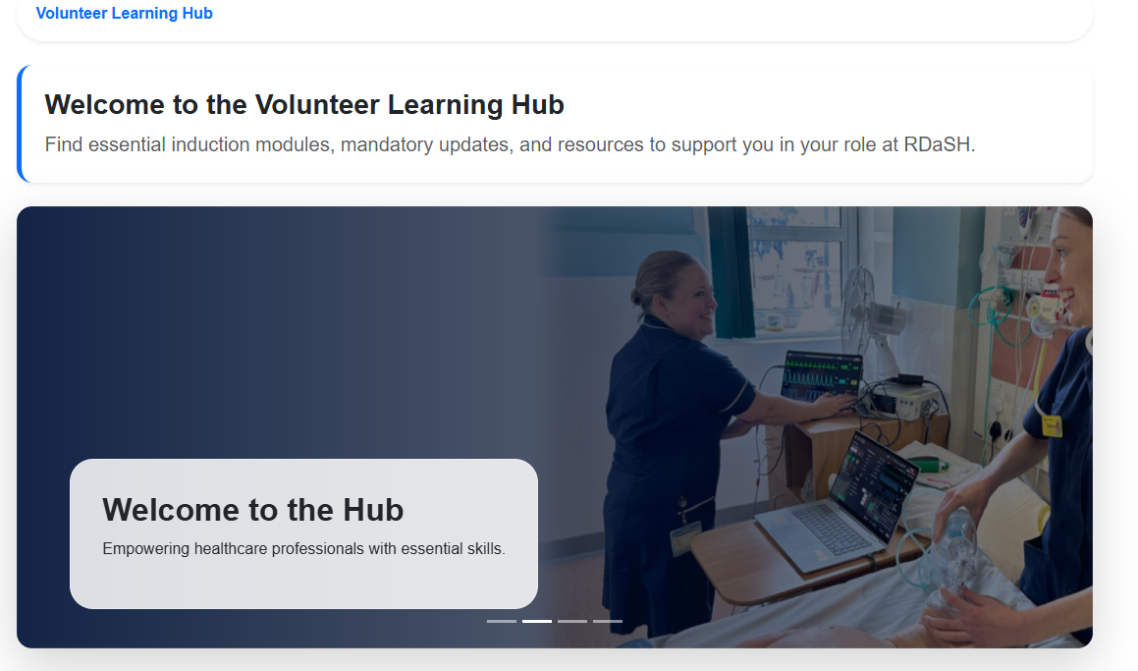

 | Notes: - volunteers panel to be removed as they will be given a link to their exact page and not use the learning hub's landing page 1. could the welcome to the hub picture and learning matters picture be replaced with less clinical ones that match the below pictures

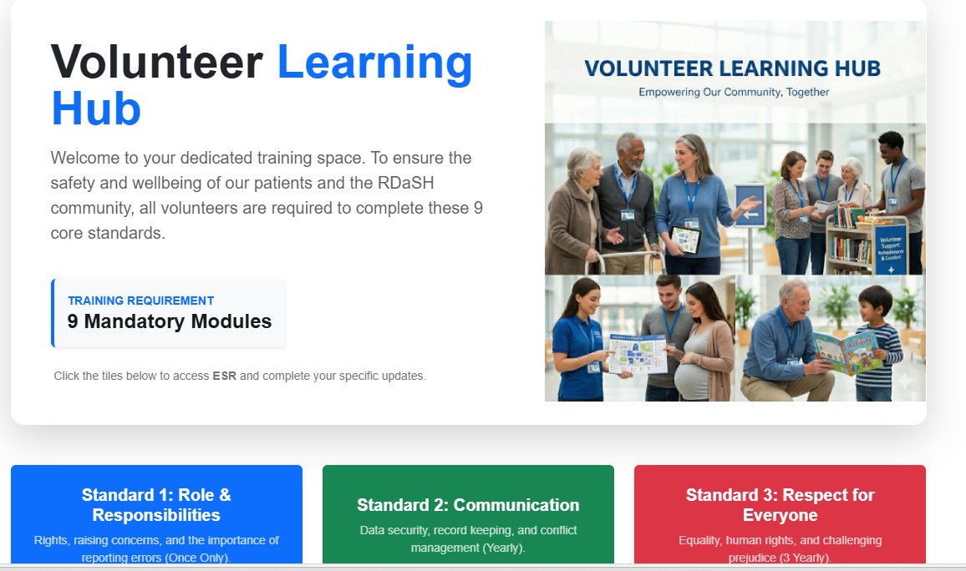

etc

FAQ tile
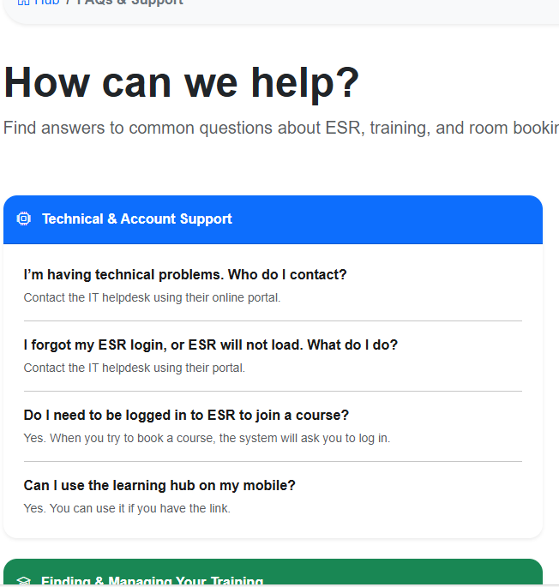

Notes: 1. keep all FAQ's and support info the same 2. remove any feedback info and place on a new tile

Feedback tile
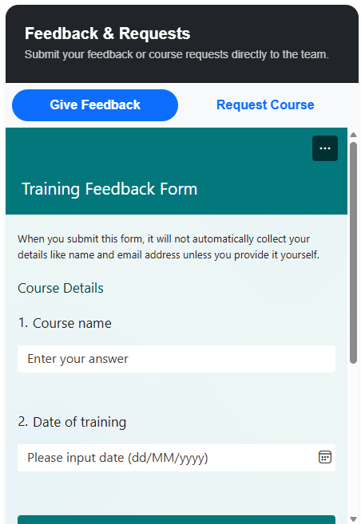

 | Notes: 1. create a new tile and have the feedback information here

etc

MAST tile
 | Notes
 | 1. The MAST tile to only hold instructions on how to find and enrol on to MAST training.
 | 2. No MAST training to be held in the course prospectus catalogue
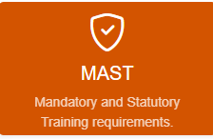 | 3. The user guide: How to book on to MAST face to face training or e-learning (& cancel bookings) to be added in the tile - to match the style used for the learner panel - button colour to be orange

Wording: MAST training Your Gateway to training: Access training on ESR. Please note this guide is for MAST training only.

Above to have an orange button with white writing and saying Employee: Self-Enrolement the guide to be displayed underneath

